Hoja1

FW18- GURU AUSTRALIAN BOOTS

 | REFERENCE | COLORS | 36 | 37 | 38 | 39 | 40 | 41 | Pairs per Box | BOXES | Available Stock | RRetailPrice | whl
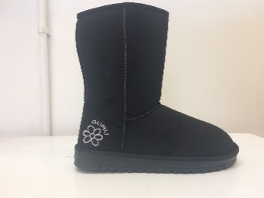 | GL179000 | BLACK | 112 | 223 | 337 | 339 | 226 | 113 | 12 | 114 | 1350 | 69.90 € | 29 €
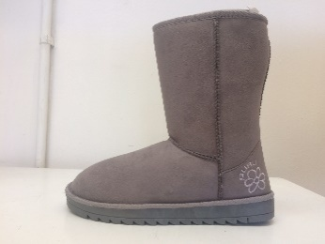 | GL179000 | GREY | 85 | 170 | 258 | 260 | 173 | 87 | 12 | 89 | 1033 | 69.90 € | 29 €
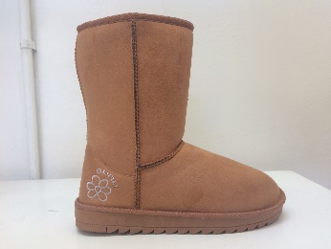 | GL179000 | HONEY (A79) | 112 | 223 | 338 | 339 | 226 | 113 | 12 | 114 | 1351 | 69.90 € | 29 €
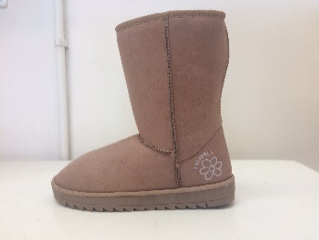 | GL179000 | SAND | 106 | 212 | 321 | 321 | 215 | 107 | 12 | 109 | 1282 | 69.90 € | 29 €
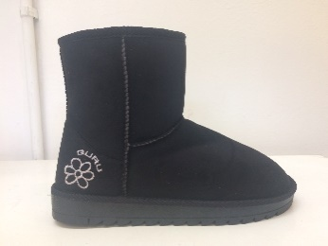 | GL179001 | BLACK | 108 | 216 | 325 | 326 | 217 | 108 | 12 | 109 | 1300 | 59.90 € | 29 €
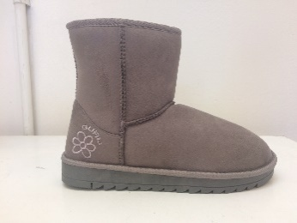 | GL179001 | GREY | 88 | 176 | 265 | 266 | 177 | 89 | 12 | 89 | 1061 | 59.90 € | 29 €
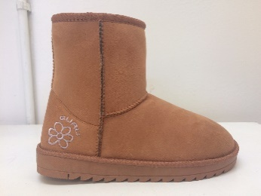 | GL179001 | HONEY (A79) | 108 | 215 | 323 | 324 | 216 | 108 | 12 | 109 | 1294 | 59.90 € | 29 €
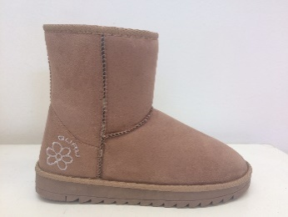 | GL179001 | SAND | 108 | 216 | 325 | 326 | 217 | 108 | 12 | 109 | 1300 | 59.90 € | 29 €
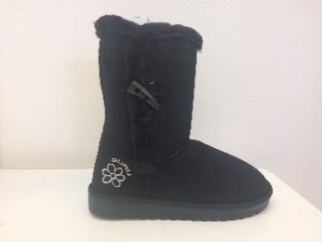 | GL179002 | BLACK | 117 | 235 | 354 | 354 | 236 | 117 | 12 | 109 | 1413 | 69.90 € | 29 €
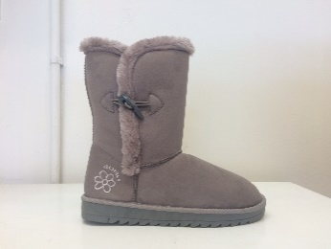 | GL179002 | GREY | 88 | 176 | 265 | 266 | 177 | 88 | 12 | 89 | 1060 | 69.90 € | 29 €
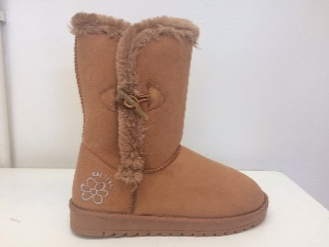 | GL179002 | HONEY (A79) | 118 | 235 | 353 | 354 | 236 | 118 | 12 | 109 | 1414 | 69.90 € | 29 €
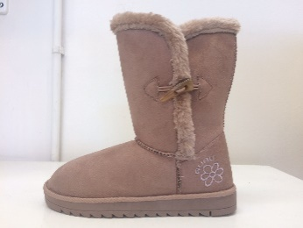 | GL179002 | SAND | 117 | 235 | 354 | 355 | 236 | 117 | 12 | 109 | 1414 | 69.90 € | 29 €
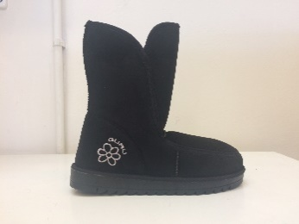 | GL179003 | BLACK | 88 | 175 | 263 | 264 | 176 | 88 | 12 | 89 | 1054 | 69.90 € | 29 €
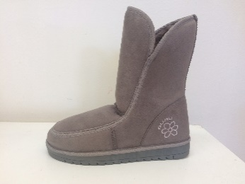 | GL179003 | GREY | 88 | 175 | 263 | 264 | 176 | 88 | 12 | 89 | 1054 | 69.90 € | 29 €
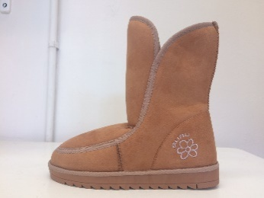 | GL179003 | HONEY (A79) | 88 | 175 | 263 | 264 | 176 | 88 | 12 | 89 | 1054 | 69.90 € | 29 €
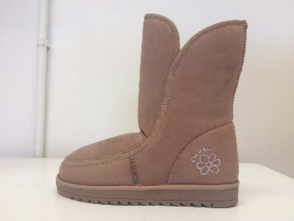 | GL179003 | SAND | 98 | 197 | 293 | 294 | 196 | 98 | 12 | 99 | 1176 | 69.90 € | 29 €
 |  |  |  |  |  |  |  |  |  | 1624 | 19610

